Daily Power Station Chart_14-01
Plant_23/01/2025Chart

Plant:odco1 |  |  | Installed Capacity:111.180kWp
Today Yield(kWh):579.800kWh |  | Today Earning:231920.000TND |  | Today Full Load Hours(h):5.21h

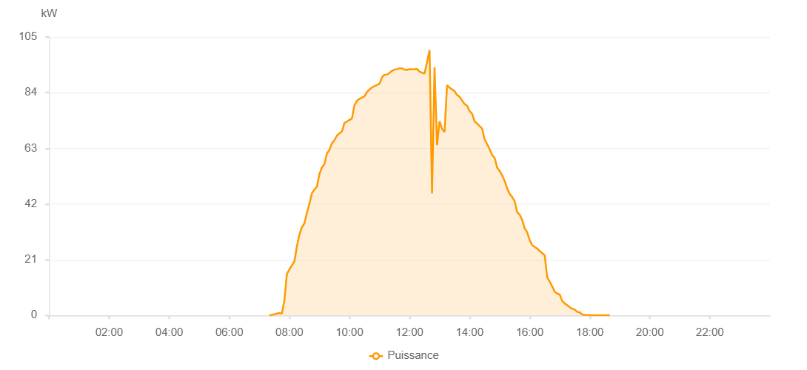

Number | Time | Working State | PV(W) | Instantaneous Radiation(W/㎡)
1 | 07:20:00 | Online | 40.00000 | 0
2 | 07:25:00 | Online | 220.00000 | 0
3 | 07:30:00 | Online | 440.00000 | 0
4 | 07:35:00 | Online | 700.00000 | 4.00000
5 | 07:40:00 | Online | 890.00000 | 6.00000
6 | 07:45:00 | Online | 700.00000 | 9.00000
7 | 07:50:00 | Online | 5480.00000 | 13.00000
8 | 07:55:00 | Online | 15620.00000 | 161.00000
9 | 08:00:00 | Online | 17350.00000 | 196.00000
10 | 08:05:00 | Online | 18890.00000 | 228.00000
11 | 08:10:00 | Online | 20320.00000 | 258.00000
12 | 08:15:00 | Online | 26020.00000 | 285.00000
13 | 08:20:00 | Online | 30450.00000 | 311.00000
14 | 08:25:00 | Online | 33230.00000 | 342.00000
15 | 08:30:00 | Online | 34740.00000 | 370.00000
16 | 08:35:00 | Online | 38640.00000 | 400.00000
17 | 08:40:00 | Online | 42100.00000 | 423.00000
18 | 08:45:00 | Online | 46090.00000 | 445.00000
19 | 08:50:00 | Online | 47470.00000 | 469.00000
20 | 08:55:00 | Online | 48560.00000 | 489.00000
21 | 09:00:00 | Online | 53270.00000 | 507.00000
22 | 09:05:00 | Online | 55800.00000 | 529.00000
23 | 09:10:00 | Online | 57100.00000 | 549.00000
24 | 09:15:00 | Online | 61050.00000 | 568.00000
25 | 09:20:00 | Online | 62420.00000 | 586.00000
26 | 09:25:00 | Online | 64910.00000 | 607.00000
27 | 09:30:00 | Online | 66070.00000 | 625.00000
28 | 09:35:00 | Online | 67820.00000 | 643.00000
29 | 09:40:00 | Online | 68670.00000 | 659.00000
30 | 09:45:00 | Online | 69400.00000 | 675.00000
31 | 09:50:00 | Online | 72580.00000 | 690.00000
32 | 09:55:00 | Online | 73110.00000 | 705.00000
33 | 10:00:00 | Online | 73720.00000 | 718.00000
34 | 10:05:00 | Online | 74270.00000 | 734.00000
35 | 10:10:00 | Online | 79290.00000 | 748.00000
36 | 10:15:00 | Online | 80920.00000 | 763.00000
37 | 10:20:00 | Online | 81680.00000 | 774.00000
38 | 10:25:00 | Online | 82180.00000 | 781.00000
39 | 10:30:00 | Online | 82670.00000 | 792.00000
40 | 10:35:00 | Online | 84270.00000 | 807.00000
41 | 10:40:00 | Online | 85200.00000 | 819.00000
42 | 10:45:00 | Online | 85950.00000 | 826.00000
43 | 10:50:00 | Online | 86490.00000 | 838.00000
44 | 10:55:00 | Online | 86890.00000 | 846.00000
45 | 11:00:00 | Online | 87350.00000 | 851.00000
46 | 11:05:00 | Online | 89750.00000 | 856.00000
47 | 11:10:00 | Online | 90790.00000 | 864.00000
48 | 11:15:00 | Online | 90840.00000 | 870.00000
49 | 11:20:00 | Online | 91480.00000 | 878.00000
50 | 11:25:00 | Online | 92200.00000 | 877.00000
51 | 11:30:00 | Online | 92710.00000 | 883.00000
52 | 11:35:00 | Online | 92900.00000 | 886.00000
53 | 11:40:00 | Online | 93170.00000 | 892.00000
54 | 11:45:00 | Online | 93170.00000 | 897.00000
55 | 11:50:00 | Online | 92720.00000 | 888.00000
56 | 11:55:00 | Online | 92570.00000 | 891.00000
57 | 12:00:00 | Online | 92860.00000 | 895.00000
58 | 12:05:00 | Online | 92780.00000 | 898.00000
59 | 12:10:00 | Online | 92850.00000 | 893.00000
60 | 12:15:00 | Online | 92940.00000 | 895.00000
61 | 12:20:00 | Online | 91920.00000 | 889.00000
62 | 12:25:00 | Online | 91540.00000 | 889.00000
63 | 12:30:00 | Online | 91180.00000 | 886.00000
64 | 12:35:00 | Online | 95530.00000 | 905.00000
65 | 12:40:00 | Online | 100080.00000 | 960.00000
66 | 12:45:00 | Online | 45990.00000 | 985.00000
67 | 12:50:00 | Online | 93620.00000 | 467.00000
68 | 12:55:00 | Online | 64210.00000 | 844.00000
69 | 13:00:00 | Online | 73230.00000 | 844.00000
70 | 13:05:00 | Online | 70360.00000 | 896.00000
71 | 13:10:00 | Online | 69150.00000 | 895.00000
72 | 13:15:00 | Online | 86850.00000 | 843.00000
73 | 13:20:00 | Online | 85860.00000 | 829.00000
74 | 13:25:00 | Online | 85230.00000 | 823.00000
75 | 13:30:00 | Online | 84550.00000 | 820.00000
76 | 13:35:00 | Online | 83100.00000 | 802.00000
77 | 13:40:00 | Online | 82460.00000 | 788.00000
78 | 13:45:00 | Online | 81060.00000 | 775.00000
79 | 13:50:00 | Online | 79680.00000 | 765.00000
80 | 13:55:00 | Online | 79100.00000 | 751.00000
81 | 14:00:00 | Online | 77040.00000 | 741.00000
82 | 14:05:00 | Online | 76050.00000 | 730.00000
83 | 14:10:00 | Online | 73180.00000 | 715.00000
84 | 14:15:00 | Online | 72350.00000 | 705.00000
85 | 14:20:00 | Online | 71390.00000 | 690.00000
86 | 14:25:00 | Online | 70480.00000 | 675.00000
87 | 14:30:00 | Online | 66350.00000 | 662.00000
88 | 14:35:00 | Online | 64620.00000 | 646.00000
89 | 14:40:00 | Online | 62660.00000 | 630.00000
90 | 14:45:00 | Online | 60500.00000 | 610.00000
91 | 14:50:00 | Online | 59410.00000 | 596.00000
92 | 14:55:00 | Online | 55760.00000 | 579.00000
93 | 15:00:00 | Online | 54470.00000 | 561.00000
94 | 15:05:00 | Online | 52820.00000 | 543.00000
95 | 15:10:00 | Online | 50730.00000 | 525.00000
96 | 15:15:00 | Online | 47950.00000 | 507.00000
97 | 15:20:00 | Online | 45820.00000 | 488.00000
98 | 15:25:00 | Online | 44700.00000 | 469.00000
99 | 15:30:00 | Online | 43110.00000 | 447.00000
100 | 15:35:00 | Online | 38870.00000 | 429.00000
101 | 15:40:00 | Online | 38050.00000 | 409.00000
102 | 15:45:00 | Online | 36020.00000 | 389.00000
103 | 15:50:00 | Online | 32860.00000 | 370.00000
104 | 15:55:00 | Online | 31340.00000 | 348.00000
105 | 16:00:00 | Online | 28460.00000 | 328.00000
106 | 16:05:00 | Online | 26510.00000 | 307.00000
107 | 16:10:00 | Online | 25830.00000 | 238.00000
108 | 16:15:00 | Online | 25180.00000 | 44.00000
109 | 16:20:00 | Online | 24340.00000 | 41.00000
110 | 16:25:00 | Online | 23510.00000 | 42.00000
111 | 16:30:00 | Online | 22720.00000 | 40.00000
112 | 16:35:00 | Online | 14310.00000 | 40.00000
113 | 16:40:00 | Online | 12730.00000 | 39.00000
114 | 16:45:00 | Online | 10980.00000 | 37.00000
115 | 16:50:00 | Online | 8950.00000 | 36.00000
116 | 16:55:00 | Online | 8220.00000 | 33.00000
117 | 17:00:00 | Online | 7880.00000 | 30.00000
118 | 17:05:00 | Online | 5470.00000 | 30.00000
119 | 17:10:00 | Online | 4500.00000 | 26.00000
120 | 17:15:00 | Online | 3840.00000 | 26.00000
121 | 17:20:00 | Online | 3130.00000 | 23.00000
122 | 17:25:00 | Online | 2470.00000 | 18.00000
123 | 17:30:00 | Online | 2220.00000 | 16.00000
124 | 17:35:00 | Online | 1340.00000 | 12.00000
125 | 17:40:00 | Online | 1130.00000 | 9.00000
126 | 17:45:00 | Online | 360.00000 | 4.00000
127 | 17:50:00 | Online | 200.00000 | 2.00000
128 | 17:55:00 | Online | 160.00000 | 0
129 | 18:00:00 | Online | 40.00000 | 0
130 | 18:05:00 | Online | 40.00000 | 0
131 | 18:10:00 | Online | 40.00000 | 0
132 | 18:15:00 | Online | 40.00000 | 0
133 | 18:20:00 | Online | 40.00000 | 0
134 | 18:25:00 | Online | 40.00000 | 0
135 | 18:30:00 | Online | 40.00000 | 0
136 | 18:35:00 | Online | 40.00000 | 0
137 | 18:40:00 | Online | 40.00000 | 0
138 | 19:00:00 | Online | 0.00001 | 0.00001

